ფორმატირების საშუალებები
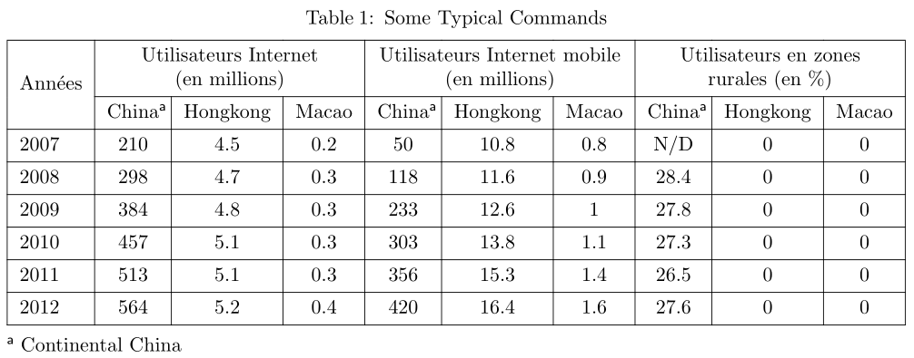
ფორმატირების ელემენტების გამოყენებით ააგეთ ცხრილი ქვემოთ მოცემული სურათის მიხედვით

Annees | Utilisateurs Internet (en milions) |  |  | Utilisateurs Internet mobile (en milions) |  |  | Utilisateurs en zones rurals(en %)
 | China | Hongkong | Macao | China | Hongkong | Macao | China | Hongkong | Macao
2007 | 210 | 4.5 | 0.2 | 50 | 10.8 | 0.8 | N/D | 0 | 0
2008 | 298 | 4.7 | 0.3 | 118 | 11.6 | 0.9 | 28.4 | 0 | 0
2009 | 384 | 4.8 | 0.3 | 233 | 12.6 | 1 | 27.8 | 0 | 0
2010 | 457 | 5.1 | 0.3 | 303 | 13.8 | 1.1 | 27.3 | 0 | 0
2011 | 513 | 5.1 | 0.3 | 356 | 15.3 | 1.4 | 26.5 | 0 | 0
2012 | 564 | 5.2 | 0.4 | 420 | 16.4 | 1.6 | 27.6 | 0 | 0
a Continental China

აბსოლ. და ფარდ. მისამ, IF
ქ. თბილისის ხე-ტყის გადამამუშავებელი ქარხანა |  |  |  |  |  |  |  |  | ფარდობითი და აბსოლუტური მისამართები
 |  |  |  |  |  |  |  |  | არითმეტიკული ოპერაციები
 |  |  | ხელფასის გაცემის უწყისი |  |  |  |  |  | IF
 |  |  |  |  |  |  |  |  | თარიღის ფორმატის ცვლილებება
1 კუბ.მ.-ს ანაზღაურება: |  | 45.00 | ლარი |  |  |  |  |  | Sum, Average, Min, Max, Count
 |  |  |  |  | მიმდინარე თარიღი |  | 2023-12-22 |  | სპეციალური ჩასმა
განყოფილების კოდი | გვარი | სახელი | შესრულებელი სამუშაოს მოცულობა (კუბ.მ) | დარიცხული ხელფასი (ლარი) | პრემია (ლარი) | საშემოსავლო გადასახადი (ლარი) | ხელზე გასაცემი თანხა (ლარი)
01 | მეტრეველი | თამთა | 20.1 | 904.50 | 0.00 | 162.81 | 741.69
01 | გიორგაძე | ირაკლი | 120.3 | 5413.50 | 200.00 | 1082.70 | 4330.80
01 | ძლიერიშვილი | მერი | 131.0 | 5895.00 | 200.00 | 1179.00 | 4716.00
01 | გუგულაშვილი | ია | 18.9 | 850.50 | 0.00 | 153.09 | 697.41
01 | ჭიჭინაძე | დავითი | 12.1 | 544.50 | 0.00 | 0.00 | 544.50
01 | გელენიძე | იოსები | 15.9 | 715.50 | 0.00 | 0.00 | 715.50
01 | ტაბატაძე | ლია | 127.0 | 5715.00 | 200.00 | 1143.00 | 4572.00
02 | სალია | მიხეილი | 18.9 | 850.50 | 0.00 | 153.09 | 697.41
02 | გოგილაშვილი | ელენე | 18.9 | 850.50 | 0.00 | 153.09 | 697.41
02 | ჩხეიძე | ანა | 19.9 | 895.50 | 0.00 | 161.19 | 734.31
02 | სურგულაძე | სოფიო | 110.9 | 4990.50 | 200.00 | 998.10 | 3992.40
02 | ნადირაშვილი | ანა | 111.9 | 5035.50 | 200.00 | 1007.10 | 4028.40
02 | სტურუა | ალექსანდრე | 12.9 | 580.50 | 0.00 | 0.00 | 580.50

1. გაიანგარიშეთ დარიცხული ხელფასი, თუ 1 კუბ.მ. ხე-ტყის დასამუშავებლად შესრულებული სამუშაოს ღირებულებაა 35.00 ლარი;
2. გამოთვალეთ პრემია შემდეგი პირობით: თუ მომუშავე 25 კუბ.მ-ზე მეტ ხე-ტყეს დაამუშავებს მიეცეს პრემია 200 ლარი;
3. გამოთვალეთ საშემოსავლო გადასახადი შემდეგი პირობით: 0 - თუ ხელფასი 750 ლარზე ნაკლებია ან ტოლი, 18% - თუ ხელფასი 750 ლარზე მეტია და 1500-ზე ნაკლებია ან ტოლი, 20% - 1500- ზე მეტია;
4. გაიანგარიშეთ ხელზე გასაცემი თანხა;
5. გაიანგარიშეთ დარიცხული ხელფასის მაქსიმალური, მინიმალური და საშუალო არითმეტიკულის მნიშვნელობები.
 |  |  |  |  |  |  |  | 5895.00
 |  |  |  |  |  |  |  | 544.50
 |  |  |  |  |  |  |  | 2557.04
 |  |  |  |  |  |  |  | 13
 |  |  |  |  |  |  |  | 33241.50

